Questions
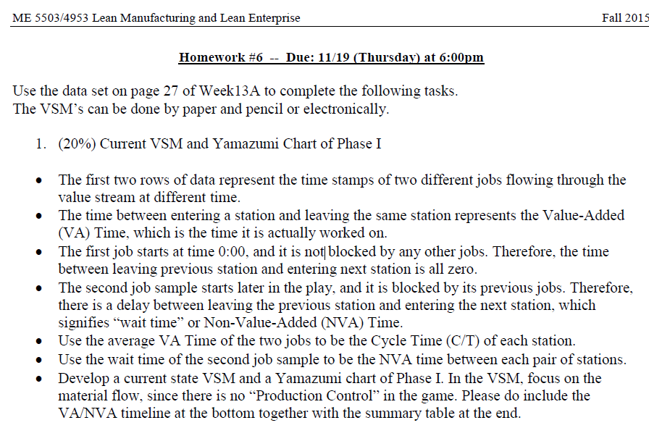

Ans1
CURRENT
VSM
PHASE 1
Que-1

I
I
I
I
I
 | WS-1 (Assembly) | WS-2 (Assembly) | WS-3 (Assembly) | WS-4 (Assembly) | WS-5 (QC)

 | C/T = 1.2 sec | C/T = 10.5 sec | C/T = 10.5 sec | C/T = 13.5 sec | C/T = 7.5 sec
 | Operator = 1 | Operator = 1 | Operator = 1 | Operator = 1 | Operator = 1
Production lead time :
169.2 sec
Value added time:
43.2 sec

84 sec
8.4 sec
74.4 sec
2.4 sec
1.2 sec
10.5 sec
10.5 sec
13.5 sec
7.5 sec

YAMAZUMI CHART
 | C/T = 1.2 sec | C/T = 10.5 sec | C/T = 10.5 sec | C/T = 13.5 sec | C/T = 7.5 sec
Ws-1,WS-2,WS-3,WS-4,WS-5 | 1.2 | 10.5 | 10.5 | 13.5 | 7.5
Yamazumi Chart
 | C/T
WS-1 | 1.2
WS-2 | 10.5
WS-3 | 10.5
WS-4 | 13.5
WS-5 | 7.5

Ans2
CURRENT
VSM
PHASE 2
Que-2

I
I
I
I
I
 | WS-1 (Assembly) | WS-2 (Assembly) | WS-3 (Assembly) | WS-4 (Assembly) | WS-5 (QC)

 | C/T = 1.5 sec | C/T = 6.3 sec | C/T = 8.4 sec | C/T = 13.2 sec | C/T = 9.6 sec
 | Operator = 1 | Operator = 1 | Operator = 1 | Operator = 1 | Operator = 1
Production lead time :
25.2 sec
Value added time:
39 sec

13.2 sec
8.4 sec
3.6 sec
0 sec
1.5 sec
6.3 sec
8.4 sec
13.2 sec
9.6 sec

YAMAZUMI CHART
 | C/T = 1.5 sec | C/T = 6.3 sec | C/T = 8.4 sec | C/T = 13.2 sec | C/T = 9.6 sec
Ws-1,WS-2,WS-3,WS-4,WS-5 | 1.5 | 6.3 | 8.4 | 13.2 | 9.6
Yamazumi Chart
 | C/T
WS-1 | 1.5
WS-2 | 6.3
WS-3 | 8.4
WS-4 | 13.2
WS-5 | 9.6

Ans4
PHASE 3
CURRENT
VSM

I
I
I
I
I
 | WS-1 (Assembly) | WS-2 (Assembly) | WS-3 (Assembly) | WS-4 (Assembly) | WS-5 (QC)

 | C/T = 1.8 sec | C/T = 3.9 sec | C/T = 3.9 sec | C/T = 4.5 sec | C/T = 3 sec
 | Operator = 1 | Operator = 1 | Operator = 1 | Operator = 1 | Operator = 1
Production lead time :
9 sec
Value added time:
17.1 sec

7.8 sec
0.6 sec
0.6 sec
0 sec
1.8 sec
3.9 sec
3.9 sec
4.5 sec
3 sec

YAMAZUMI CHART
 | C/T = 1.8 sec | C/T = 3.9 sec | C/T = 3.9 sec | C/T = 4.5 sec | C/T = 3 sec
Ws-1,WS-2,WS-3,WS-4,WS-5 | 1.8 | 3.9 | 3.9 | 4.5 | 3
Yamazumi Chart
 | C/T
WS-1 | 1.8
WS-2 | 3.9
WS-3 | 3.9
WS-4 | 4.5
WS-5 | 3

